Dashboard1
Event by Class
 | 2012-Oct | 2012-Nov | 2012-Dec | 2013-Jan | 2013-Feb
DATABASE | 424305 | 257754 | 168126 | 128688 | 82845
ENDPOINT | 63 | 21
LOGIN | 4200 | 4998 | 5019 | 4200 | 2835
OBJECT | 55062 | 74571 | 76251 | 76041 | 48636
ROLE | 63 | 735 | 210 | 252 | 966
SCHEMA | 1449 | 987 | 1386 | 714 | 1239
SERVER | 651 | 231 | 651 | 1386 | 210
USER | 336 | 378 | 231 | 147 | 126
 | 84672 | 89733 | 103908 | 100842 | 70854
Event by Action
 | 2012-Oct | 2012-Nov | 2012-Dec | 2013-Jan | 2013-Feb
CREATE | 164241 | 143451 | 108465 | 75558 | 50757
RESTORE | 133350 | 4872 | 10815 | 8673 | 6594
BACKUP | 88494 | 12810 | 13587 | 13902 | 9093
 | 72450 | 76755 | 88914 | 86436 | 60606
ALTER | 55083 | 74865 | 76209 | 76692 | 49980
BACKUP LOG | 52059 | 110271 | 52437 | 46977 | 26418
LOGIN FAILED | 3738 | 4473 | 4032 | 3003 | 2667
DROP | 672 | 525 | 630 | 357 | 399
GRANT | 147 | 42 | 147 | 42 | 63
ALTER CONNECTION | 105
IMPERSONATE | 105 | 168 |  | 21
SERVER SHUTDOWN | 84 | 21 | 105 | 105 | 63
TAKE OWNERSHIP | 84
ADD MEMBER | 84 | 777 | 252 | 252 | 567
ALTER SETTINGS | 63 | 21 | 84 | 84 | 84
CHANGE DEFAULT DATABASE | 21 | 63
CHANGE DEFAULT LANGUAGE | 21 | 63
REVOKE |  | 21 |  |  | 21
PASSWORD EXPIRATION |  | 63
NAME CHANGE |  |  |  | 21
AUDIT SESSION CHANGED |  |  |  | 126
PASSWORD POLICY |  | 63
RESET PASSWORD |  |  |  | 21
DROP MEMBER |  | 84 | 105 |  | 399
Audit Dashboard

Event by day
 | 2012 | 2013
Sun | 182721 | 67452
Mon | 185913 | 73164
Tue | 200718 | 79359
Wed | 197862 | 78729
Thu | 199185 | 73794
Fri | 194901 | 76125
Sat | 194691 | 71358
Event by Server
 | MUIR | SCHURMANN
Oct 2012 | 389907 | 180894
Nov 2012 | 93786 | 335622
Dec 2012 | 102774 | 253008
Jan 2013 | 100968 | 211302
Feb 2013 | 68166 | 139545

Dashboard2
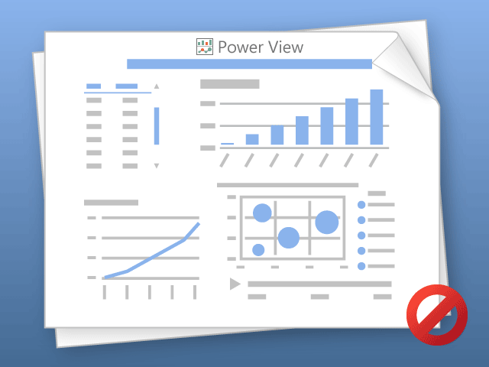

Power View can only print one sheet at a time.
Please switch to the desired sheet and try again.

